D1
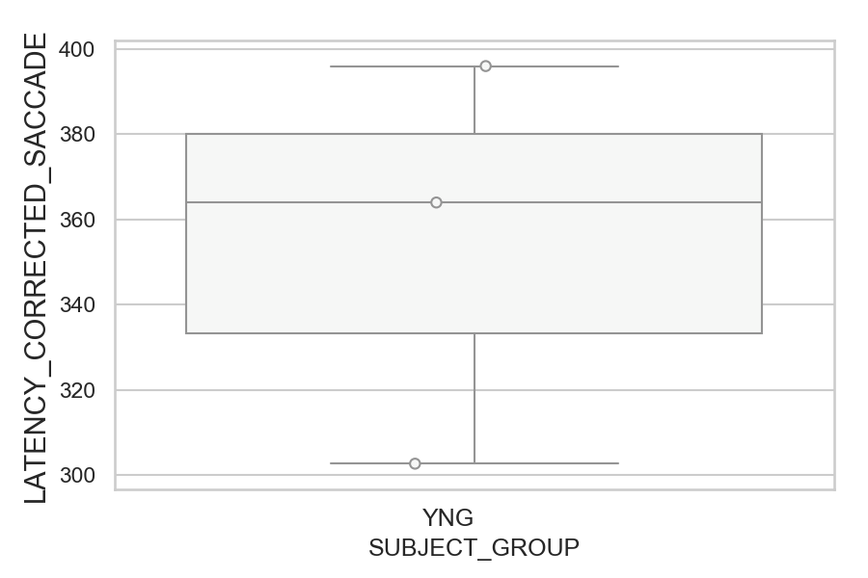
Latency of the corrected saccade after wrong saccades (ms)(mean latency of all trials per subject)
SUBJECT_NAME | SUBJECT_GROUP | SUBJECT_AGE | VALUE
MP1 | YNG |  | 396
AW002AF | YNG | 19 | 364
AW001CG | YNG | 19 | 302.72727273

D1 (types)
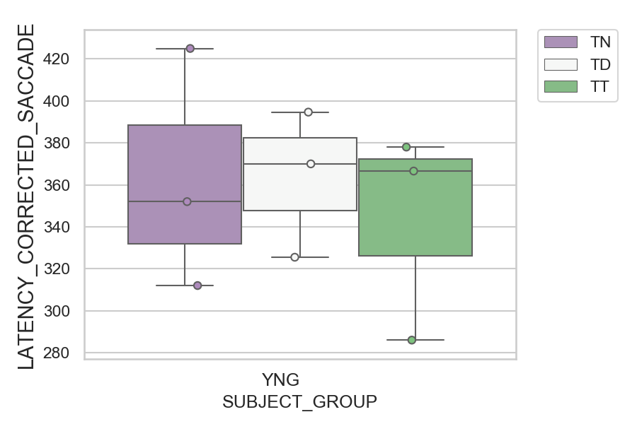
Latency of the corrected saccade after wrong saccades (ms)(mean latency of all trials per subject)
SUBJECT_NAME | SUBJECT_GROUP | CONDITION_APPEARANCE | SUBJECT_AGE | VALUE
MP1 | YNG | TN |  | 425
MP1 | YNG | TD |  | 394.66666667
MP1 | YNG | TT |  | 378
AW002AF | YNG | TD | 19 | 370
AW002AF | YNG | TT | 19 | 366.57142857
AW002AF | YNG | TN | 19 | 352
AW001CG | YNG | TD | 19 | 325.5
AW001CG | YNG | TN | 19 | 312
AW001CG | YNG | TT | 19 | 286

D2
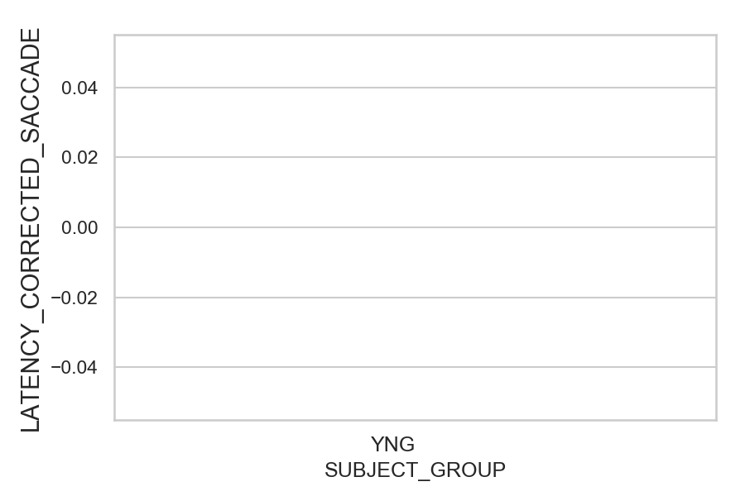
Latency of the corrected saccade after wrong saccades (ms)(mean latency of all trials per subject)
SUBJECT_NAME | SUBJECT_GROUP | SUBJECT_AGE | VALUE
AW001CG | YNG | 19
AW002AF | YNG | 19
MP1 | YNG

D2 (types)
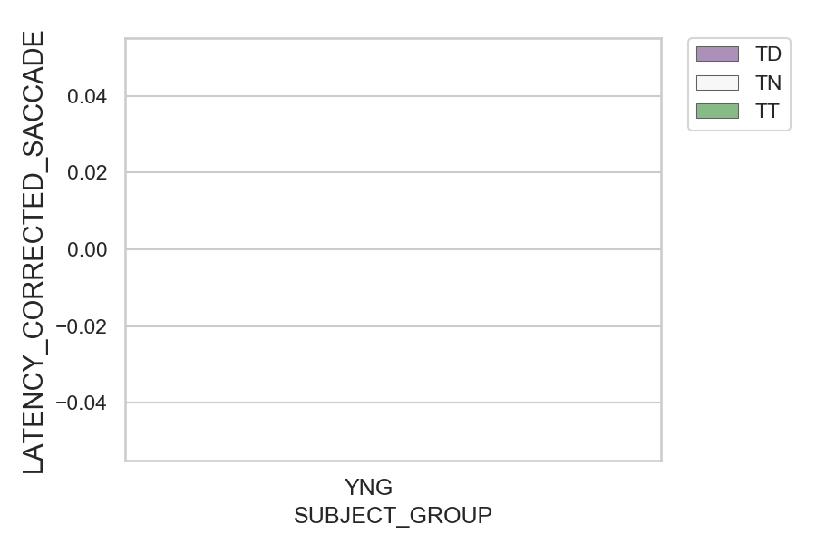
Latency of the corrected saccade after wrong saccades (ms)(mean latency of all trials per subject)
SUBJECT_NAME | SUBJECT_GROUP | CONDITION_APPEARANCE | SUBJECT_AGE | VALUE
AW001CG | YNG | TD | 19
AW001CG | YNG | TN | 19
AW001CG | YNG | TT | 19
AW002AF | YNG | TD | 19
AW002AF | YNG | TN | 19
AW002AF | YNG | TT | 19
MP1 | YNG | TD
MP1 | YNG | TN
MP1 | YNG | TT

